MAIN DASHBOARD
Welcome to Shining Star Global School
Year 2021-2023

DASHBOARD
STUDENTS
PARENTS
EXAMS
ASSESTANT
Schools
Teachers
Students

Parents

99
2,953
3,066
3,095

Teachers

Calendar Attendance
Educational Stage
 | Total
Elementary School | 38
Preschool | 32
Primary school | 29
All data in Thousand 2022-2023

EVENTS
Elementary School
38
Primary School
29

Pre school
32

Activities & Events
View all

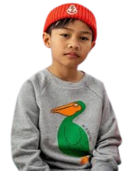

Back to School Dance (on the Quad)

Elimination Game
Adam Hisham
98.28%
Do Elesaway
97.92%
Jean Ali
97.32%
Fall Sports Rally
1st
2nd
3rd
Freshman Elections

Events
Welcome to Bahria University
Welcome to Shining Star Global School
Year 2022-2023

STUDENTS
PARENTS
EVENTS
EXAMS
ASSESTANT
DASHBOARD
Schools
Teachers
Students
Parents

99
2,953
3,066
3,095

Teachers
Activities & Events

Halloween the inwions - Make a seperate meeting for each Director to go through the slides in details,
New Year the invitations- Make a seperate meeting for each Director to go through the slides in details,
Seeds- Make a seperate meeting for each Director to go through the slides in details,
Seeds- Make a seperate meeting for each Director to go through the slides in details,

Mfor each Director to go through the slides in details,
Sports - Making a seperate meeting for each Director to go through the slides in details,
Send the invitations - Make a seperate meeting for each Director to go through the slides in details
Send the invitations - Make a seperate meeting for each Director to go through the slides in details

Marathon the invitation meeting for each Director to go through the slides in details,
Zoo Park - the slides in details,
Send the invitations - Make a seperate meeting for each Director to go through the slides in details
Sd the invitations - Make a seperate meeting for each Director to go through the slides in details

Drow the as meeting for each Director to go through the slides in details,

Send the invitations - Make a seperate meeting for each Director to go through the slides in details

Teachers
Welcome to Bahria University
Welcome to Shining Star Global School
Year 2022-2023

STUDENTS
TEACHERS
PARENTS
EXAMS
ASSESTANT
DASHBOARD
Schools
Teachers
Students
Parents

99
2,953
3,066
3,095

Teachers
Subjects
Comment

Mr. Rizwan
Send the invitations - Make a seperate meeting for each Director to go through the slides in details
Sd the invitations - Make a seperate meeting for each Director to go through the slides in details
Computer

Mr. Younus
invitations - Make a seperate meeting for each Director to go through the slides in details
Make a seperate meeting for each Director to go through the slides in details
Physics

EVENTS
Mr. Phillip
Send the invitations - Make a seperate meeting for each Director to go through the slides in details
Sport

Mr. Shafay
Make a seperate meeting for each Director to go through the slides in details
Send the invitations - Make a seperate meeting for each Director to go through the slides in details
Biology

Send the invitations - Make a seperate meeting for each Director to go through the slides in details
Mr. Ahmed
Send the invitations - Make a seperate meeting for each Director to go through the slides in details
Mathematics

DYNAMIC IMAGES
Names | Names Without "_" | Images | Rank | Name | Name on Dashboard | Percentages
Adam_Hisham | Adam Hisham | 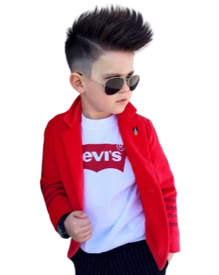 | 1st | Adam_Hisham | Adam Hisham | 97.32%
Kenzi_Mohamd | Kenzi Mohamd | 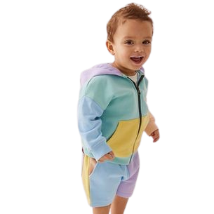 | 2nd | Do_Elesawy | Do Elesawy | 97.92%
Do_Elesawy | Do Elesawy |  | 3rd | Jean_Ali | Jean Ali | 98.28%
Jean_Ali | Jean Ali | 
Rovan_Hossam | Rovan_Hossam | 
Rony_Beyablo | Rony Beyablo | 

